Sheet1
# | Table Name | Customer Impact |  | Est(hours) | Type | Object name |  | TODO
1 | addresses | No | production need to be like dev | 10 | adding new nonclustered Index | IX_AddressModifiedDt |  | add index
2 | brands | No | production need to be like dev |  | adding new nonclustered Index | [IX_brands_club_category_id]
3 | consumer_opt_in | No | production need to be like dev |  | adding new nonclustered Index | [IX_consumer_opt_in_consumer_profile_id_key]
4 | consumer_profile | no | production need to be like dev |  | adding new nonclustered Index | [consumer_id], [IX_ConProfileModifiedDt]
5 | consumer | no | production need to be like dev |  | adding new nonclustered Index | [created] [IX_ConsumerModifiedDt] [idx_PrimaryEmail]
6 | golfer_profiler | no | production need to be like dev |  | adding new nonclustered Index | [club_hand] [ClubLoftAdjustmentId] [consumer_id] [current_driver_flex_id] [current_driver_flex_id]) [current_iron_length_id] [current_iron_lie_id] [desired_driver_flex_id] [driver_loft_id] [IX_GolfProfileModifiedDt] | 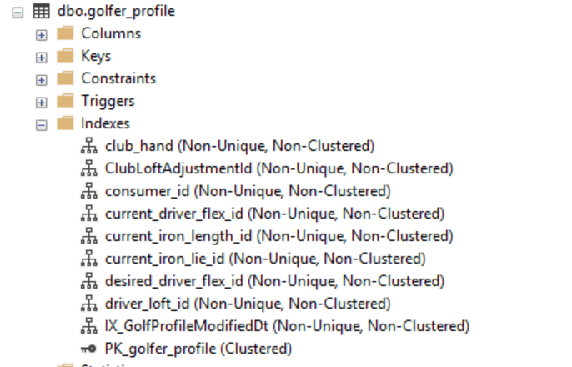
7 | JpConsumerList | no | production need to be like dev |  | adding new nonclustered Index | [ConsumerId], [ec_cube_id1]
8 | system_to_consumer_profil | no | production need to be like dev |  | adding new nonclustered Index | [consumer_profile_id
9 | [whats_in_the_bag] | no | production need to be like dev |  | adding new nonclustered Index | [brand_id] [category_id] [club_category_type_id] [face_lie_adjustment] [face_loft_adjustment] [flex] [golfer_profile_id] [loft] [model_id] [shaft_length_id] | 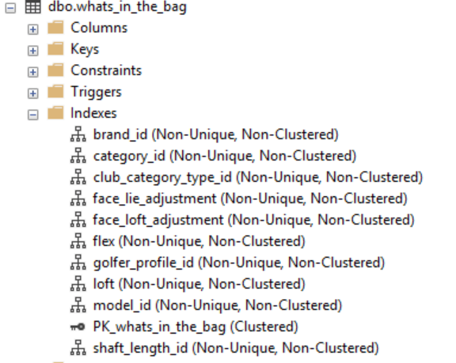
10 | consumer | no | update dev to be like the production | 1 | difference column data type | [primary_email] | [primary_email] is NOT NULL on production, but nullable on DEV | update production table to NULLABLE
11 | JpConsumerList | yes | update dev to be like the production | 1 | difference column data type | [ec_cube_id1] | the column has INT on production , but NVARCHAR on DEV | impact customer : support both version by adding api version in URL (need to update api) change column data type to NVARCHAR | v1.0 v1.1
12 | mfe-userIds | no | to be deleted in dev | 1 | adding new column | [email] |  | migrate
13 | retail_store | no | to be deleted in dev | 1 | adding new column | [dba] [fitting_type] [sales_representative] [shipto_name]

